Session Plan page 1
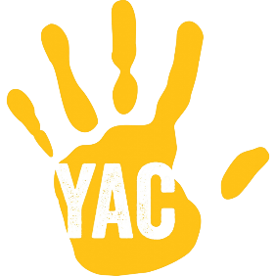 Young Archaeologists’ Club Session Plan

Session Title

What we will be learning during the session

Which YAC volunteers will be there

The maximum number of members that can attend is: (no more than 8 members for every YAC volunteer)

Other adults present are:
(e.g. external partners, parents/carers)

